NRCAN_2003
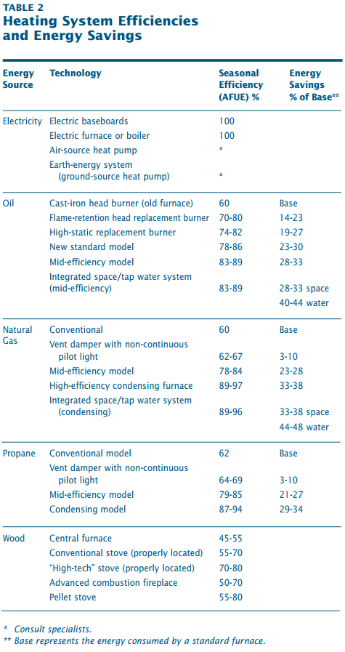
NRCAN (2003) - Heating with electricity
https://www.nrcan.gc.ca/sites/nrcan/files/oee/files/pdf/publications/Heating_with_Electricity.pdf

